DATA AND CHART
date_week_start | video_count_week
2017-01-08 | 467396
2017-01-15 | 460865
2017-01-22 | 465297
2017-01-29 | 458172
2017-02-05 | 458172
2017-02-12 | 504926
2017-02-19 | 498528
2017-02-26 | 484548
2017-03-05 | 493884
2017-03-12 | 520471
2017-03-19 | 520471
2017-03-26 | 532642
2017-04-02 | 535457
2017-04-09 | 532258
2017-04-16 | 555764
2017-04-23 | 527028
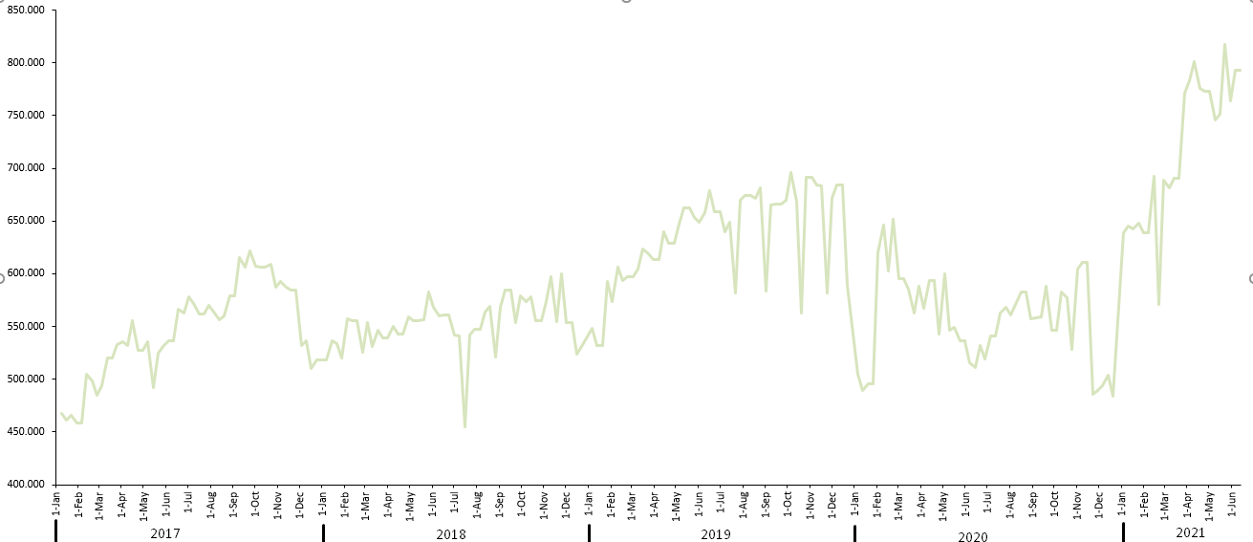
2017-04-30 | 527028
2017-05-07 | 535377
2017-05-14 | 492452
2017-05-21 | 524233
2017-05-28 | 531289
2017-06-04 | 536117
2017-06-11 | 536117
2017-06-18 | 566494
2017-06-25 | 562764
2017-07-02 | 578477
2017-07-09 | 571833
2017-07-16 | 561717
2017-07-23 | 561717
2017-07-30 | 569891
2017-08-06 | 562328
2017-08-13 | 556335
2017-08-20 | 559633
2017-08-27 | 579125
2017-09-03 | 579125
2017-09-10 | 615332
2017-09-17 | 605845
2017-09-24 | 621335
2017-10-01 | 607231
2017-10-08 | 605845
2017-10-15 | 605845
2017-10-22 | 609091
2017-10-29 | 587485
2017-11-05 | 592945
2017-11-12 | 587193
2017-11-19 | 584668
2017-11-26 | 584668
2017-12-03 | 532074
2017-12-10 | 536697
2017-12-17 | 510138
2017-12-24 | 518465
2018-01-07 | 518465
2018-01-14 | 536084
2018-01-21 | 533399
2018-01-28 | 520373
2018-02-04 | 557489
2018-02-11 | 555914
2018-02-18 | 555914
2018-02-25 | 525713
2018-03-04 | 554033
2018-03-11 | 531373
2018-03-18 | 546514
2018-03-25 | 539257
2018-04-01 | 539257
2018-04-08 | 549697
2018-04-15 | 542937
2018-04-22 | 542852
2018-04-29 | 559235
2018-05-06 | 555397
2018-05-13 | 555397
2018-05-20 | 556558
2018-05-27 | 582938
2018-06-03 | 568484
2018-06-10 | 559934
2018-06-17 | 561319
2018-06-24 | 561319
2018-07-01 | 541576
2018-07-08 | 540599
2018-07-15 | 454417
2018-07-22 | 541576
2018-07-29 | 547738
2018-08-05 | 547738
2018-08-12 | 563944
2018-08-19 | 569524
2018-08-26 | 521242
2018-09-02 | 568589
2018-09-09 | 584602
2018-09-16 | 584602
2018-09-23 | 553248
2018-09-30 | 579123
2018-10-07 | 573453
2018-10-14 | 577865
2018-10-21 | 555943
2018-10-28 | 555943
2018-11-04 | 573211
2018-11-11 | 597114
2018-11-18 | 554964
2018-11-25 | 599534
2018-12-02 | 553411
2018-12-09 | 553411
2018-12-16 | 523689
2018-12-23 | 530861
2019-01-06 | 548067
2019-01-13 | 531660
2019-01-20 | 531660
2019-01-27 | 593102
2019-02-03 | 573426
2019-02-10 | 606227
2019-02-17 | 593220
2019-02-24 | 597516
2019-03-03 | 597516
2019-03-10 | 604581
2019-03-17 | 623633
2019-03-24 | 618619
2019-03-31 | 613349
2019-04-07 | 613349
2019-04-14 | 639657
2019-04-21 | 629176
2019-04-28 | 629074
2019-05-05 | 647299
2019-05-12 | 662243
2019-05-19 | 662243
2019-05-26 | 652975
2019-06-02 | 648834
2019-06-09 | 658069
2019-06-16 | 679029
2019-06-23 | 658472
2019-06-30 | 658472
2019-07-07 | 639686
2019-07-14 | 648906
2019-07-21 | 581961
2019-07-28 | 669879
2019-08-04 | 673981
2019-08-11 | 673981
2019-08-18 | 671433
2019-08-25 | 681760
2019-09-01 | 583704
2019-09-08 | 665605
2019-09-15 | 666016
2019-09-22 | 666016
2019-09-29 | 670145
2019-10-06 | 695969
2019-10-13 | 668738
2019-10-20 | 562918
2019-10-27 | 691506
2019-11-03 | 691506
2019-11-10 | 684534
2019-11-17 | 683377
2019-11-24 | 581992
2019-12-01 | 671203
2019-12-08 | 684402
2019-12-15 | 684402
2019-12-22 | 588677
2020-01-05 | 505176
2020-01-12 | 489774
2020-01-19 | 495552
2020-01-26 | 495552
2020-02-02 | 620033
2020-02-09 | 645714
2020-02-16 | 603096
2020-02-23 | 651585
2020-03-01 | 595707
2020-03-08 | 595707
2020-03-15 | 585589
2020-03-22 | 562404
2020-03-29 | 587992
2020-04-05 | 567631
2020-04-12 | 593471
2020-04-19 | 593471
2020-04-26 | 542901
2020-05-03 | 599948
2020-05-10 | 546396
2020-05-17 | 549118
2020-05-24 | 536226
2020-05-31 | 536226
2020-06-07 | 515693
2020-06-14 | 511327
2020-06-21 | 532212
2020-06-28 | 518901
2020-07-05 | 541230
2020-07-12 | 541230
2020-07-19 | 562584
2020-07-26 | 568164
2020-08-02 | 561334
2020-08-09 | 571061
2020-08-16 | 582633
2020-08-23 | 582633
2020-08-30 | 557642
2020-09-06 | 558669
2020-09-13 | 559379
2020-09-20 | 587948
2020-09-27 | 546039
2020-10-04 | 546039
2020-10-11 | 582994
2020-10-18 | 576949
2020-10-25 | 528363
2020-11-01 | 604273
2020-11-08 | 611258
2020-11-15 | 611258
2020-11-22 | 485645
2020-11-29 | 489447
2020-12-06 | 493978
2020-12-13 | 504209
2020-12-20 | 483605
2021-01-03 | 639158
2021-01-10 | 645623
2021-01-17 | 642725
2021-01-24 | 647921
2021-01-31 | 639157
2021-02-07 | 639157
2021-02-14 | 692696
2021-02-21 | 571170
2021-02-28 | 688703
2021-03-07 | 681609
2021-03-14 | 690840
2021-03-21 | 690840
2021-03-28 | 771087
2021-04-04 | 783294
2021-04-11 | 801395
2021-04-18 | 776140
2021-04-25 | 773153
2021-05-02 | 773153
2021-05-09 | 746294
2021-05-16 | 751394
2021-05-23 | 817685
2021-05-30 | 764240
2021-06-06 | 793357
2021-06-13 | 793357

