DATA AND CHART
 | Unknown | End of life | Repairable | Fixed
Laptop | 3% | 12% | 33% | 0% | 47.78% | Wrong
DSLR/video camera | 8% | 40% | 25% | 28% | 100.00% | Right
Digital compact camera | 8% | 36% | 27% | 29% | 100.00% | Right
Flat screen | 13% | 24% | 33% | 30% | 100.00% | Right
Printer/scanner | 7% | 33% | 24% | 37% | 100.00% | Right
Aircon/dehumidifier | 5% | 26% | 31% | 38% | 100.00% | Right
Games console | 4% | 26% | 32% | 38% | 100.00% | Right
Kettle | 6% | 43% | 11% | 40% | 100.00% | Right
TV and gaming-related accessories | 4% | 34% | 22% | 40% | 100.00% | Right
Tablet | 2% | 19% | 36% | 42% | 100.00% | Right
Handheld entertainment device | 12% | 18% | 27% | 44% | 100.00% | Right
Hi-Fi integrated | 8% | 26% | 23% | 44% | 100.00% | Right
Iron | 3% | 38% | 15% | 45% | 100.00% | Right
Toaster | 7% | 29% | 18% | 46% | 100.00% | Right
Hi-Fi separates | 4% | 27% | 23% | 46% | 100.00% | Right
Small kitchen item | 2% | 34% | 17% | 46% | 100.00% | Right
Mobile | 3% | 13% | 36% | 47% | 100.00% | Right
Projector | 5% | 15% | 33% | 48% | 100.00% | Right
Desktop computer | 2% | 23% | 27% | 48% | 100.00% | Right
Power tool | 4% | 26% | 20% | 50% | 100.00% | Right
Food processor | 6% | 28% | 16% | 50% | 100.00% | Right
Portable radio | 4% | 26% | 20% | 50% | 100.00% | Right
PC accessory | 4% | 23% | 22% | 51% | 100.00% | Right
Hair & beauty item | 4% | 27% | 18% | 51% | 100.00% | Right
Small home electrical | 6% | 26% | 16% | 52% | 100.00% | Right
Battery/charger/adapter | 7% | 28% | 13% | 53% | 100.00% | Right
Large home electrical | 3% | 27% | 16% | 54% | 100.00% | Right
Fan | 2% | 31% | 13% | 54% | 100.00% | Right
Coffee maker | 3% | 27% | 15% | 55% | 100.00% | Right
Decorative or safety lights | 5% | 20% | 20% | 55% | 100.00% | Right
Musical instrument | 4% | 13% | 27% | 56% | 100.00% | Right
Misc | 3% | 20% | 20% | 57% | 100.00% | Right
Vacuum | 3% | 24% | 16% | 57% | 100.00% | Right
Watch/clock | 3% | 25% | 14% | 58% | 100.00% | Right
Toy | 4% | 20% | 18% | 58% | 100.00% | Right
Headphones | 3% | 19% | 20% | 59% | 100.00% | Right
Hair dryer | 6% | 26% | 6% | 62% | 100.00% | Right
Paper shredder | 4% | 26% | 6% | 64% | 100.00% | Right
Lamp | 2% | 12% | 17% | 69% | 100.00% | Right
Sewing machine | 2% | 13% | 15% | 70% | 100.00% | Right

Original data
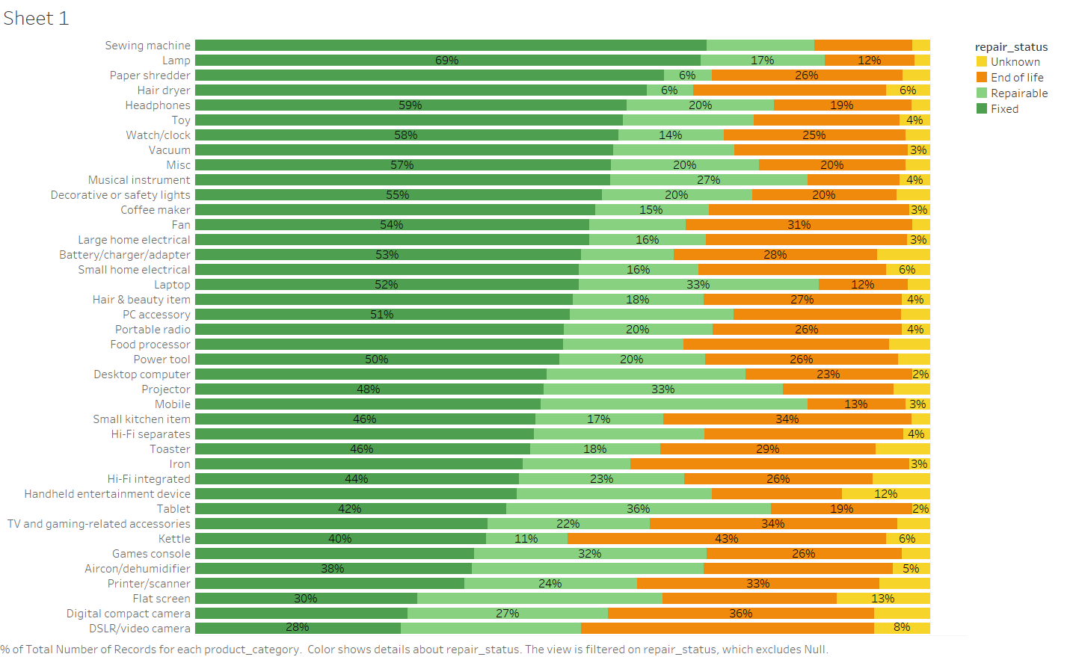

 | Unknown | End of life | Repairable | Fixed
Sewing machine | 2.40% | 13.38% | 14.58% | 69.64%
Lamp | 2.09% | 12.26% | 16.88% | 68.76%
Paper shredder | 3.75% | 25.94% | 6.48% | 63.82%
Hair dryer | 6.00% | 26.25% | 6.25% | 61.50%
Headphones | 2.56% | 18.62% | 20.11% | 58.70%
Toy | 4.12% | 19.85% | 17.79% | 58.24%
Watch/clock | 3.37% | 24.70% | 14.29% | 57.65%
Vacuum | 3.03% | 23.60% | 16.44% | 56.94%
Misc | 3.37% | 19.89% | 20.10% | 56.64%
Musical instrument | 4.17% | 12.50% | 26.85% | 56.48%
Decorative or safety lights | 4.58% | 19.61% | 20.42% | 55.39%
Coffee maker | 2.81% | 27.27% | 15.40% | 54.53%
Fan | 2.38% | 30.88% | 13.06% | 53.68%
Large home electrical | 3.15% | 27.33% | 15.87% | 53.65%
Battery/charger/adapter | 7.21% | 27.67% | 12.56% | 52.56%
Small home electrical | 5.93% | 25.53% | 16.26% | 52.28%
Laptop | 3.05% | 12.04% | 32.66% | 0.03%
Hair & beauty item | 3.84% | 26.90% | 17.80% | 51.47%
PC accessory | 3.99% | 22.76% | 22.26% | 51.00% | Repair status (total) per product category, ORA
Portable radio | 3.89% | 25.70% | 20.18% | 50.23%
Food processor | 5.62% | 27.92% | 16.35% | 50.11%
Power tool | 4.32% | 26.27% | 19.84% | 49.56%
Desktop computer | 2.40% | 22.64% | 27.10% | 47.86%
Projector | 5.00% | 15.00% | 32.50% | 47.50%
Mobile | 3.36% | 13.30% | 36.28% | 47.06%
Small kitchen item | 2.50% | 33.76% | 17.42% | 46.32%
Hi-Fi separates | 3.61% | 27.11% | 23.09% | 46.19%
Toaster | 7.37% | 29.31% | 17.71% | 45.61%
Iron | 2.79% | 37.94% | 14.67% | 44.61%
Hi-Fi integrated | 7.77% | 25.60% | 22.52% | 44.10%
Handheld entertainment device | 12.00% | 17.64% | 26.55% | 43.82%
Tablet | 2.38% | 19.27% | 35.99% | 42.36%
TV and gaming-related accessories | 4.41% | 33.69% | 22.07% | 39.83%
Kettle | 5.93% | 43.38% | 11.07% | 39.62%
Games console | 3.87% | 26.45% | 31.61% | 38.06%
Aircon/dehumidifier | 5.03% | 25.79% | 31.45% | 37.74%
Printer/scanner | 6.89% | 32.93% | 23.51% | 36.68%
Flat screen | 12.73% | 23.61% | 33.33% | 30.32%
Digital compact camera | 7.58% | 36.24% | 27.25% | 28.93%
DSLR/video camera | 7.64% | 39.81% | 24.52% | 28.03%

